Demographics Pakistan
Pakistan Demographic Overview |  |  |  |  |  |  | Pakistan Female Population Overview |  |  |  |  |  |  | `
Age Bracket | M |  | F |  | Total |  | Axis | Total Population | Female Population | Population of Child Bearing Women | % of Total Pop | % of Tot Fem
< 1 year | 2,614,497 | 2.46% | 2,459,738 | 2.43% | 5,074,235 | 2.44% | Pakistan | 207,684,627 | 101,366,406 | 49,804,461 | 23.98% | 49.13%
1 to 5 | 12,329,627 | 11.60% | 11,759,128 | 11.60% | 24,088,755 | 11.60% | Punjab | 109,989,655 | 200,273,074 | 27,237,594 | 24.76% | 13.60%
5.1 to 15 | 28,589,596 | 26.89% | 25,963,910 | 25.61% | 54,553,506 | 26.27% | Sindh | 47,854,510 | 188,513,946 | 11,250,052 | 23.51% | 5.97%
15.1 to 35 | 35,222,062 | 33.13% | 35,193,331 | 34.72% | 70,415,393 | 33.90% | Balochistan | 12,335,129 | 162,550,036 | 2,567,335 | 20.81% | 1.58%
35.1 to 50 | 14,996,364 | 14.11% | 14,611,130 | 14.41% | 29,607,494 | 14.26% | KPK | 30,508,920 | 127,356,705 | 7,186,092 | 23.55% | 5.64%
50.1 + | 12,566,074 | 11.82% | 11,379,169 | 11.23% | 23,945,243 | 11.53%
 | 106,318,220 | 51.19% | 101,366,406 | 48.81% | 207,684,627 | 100.00%
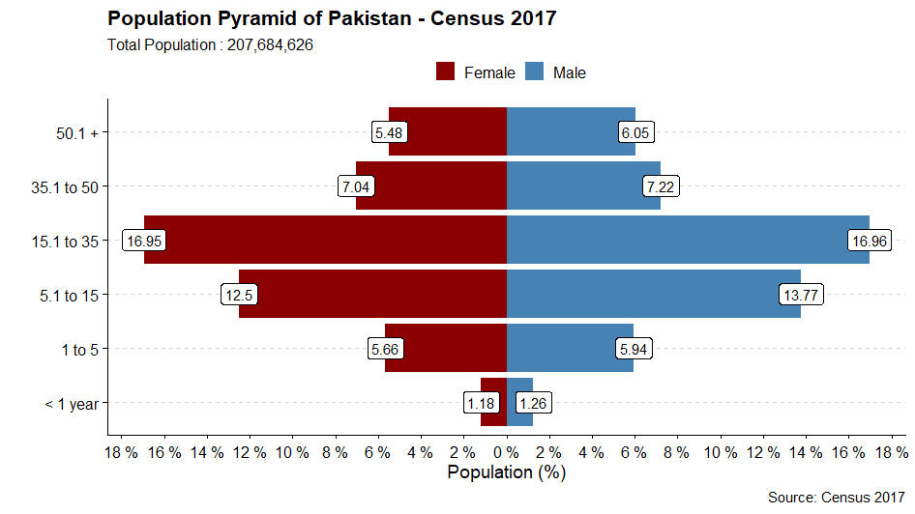
Percentage of Female Population 15 - 49
 |  |  |  |  |  |  |  |  |  |  |  |  | Pakistan and Provinces | Population of Child Bearing Women
 |  |  |  |  |  |  |  |  |  |  |  |  | Pakistan | 49,804,461
 |  |  |  |  |  |  |  |  |  |  |  |  | Punjab | 27,237,594
 |  |  |  |  |  |  |  |  |  |  |  |  | Sindh | 11,250,052
 |  |  |  |  |  |  |  |  |  |  |  |  | Balochistan | 2,567,335
 |  |  |  |  |  |  |  |  |  |  |  |  | KPK | 7,186,092

Population of Female 15 - 49

Demographics Punjab
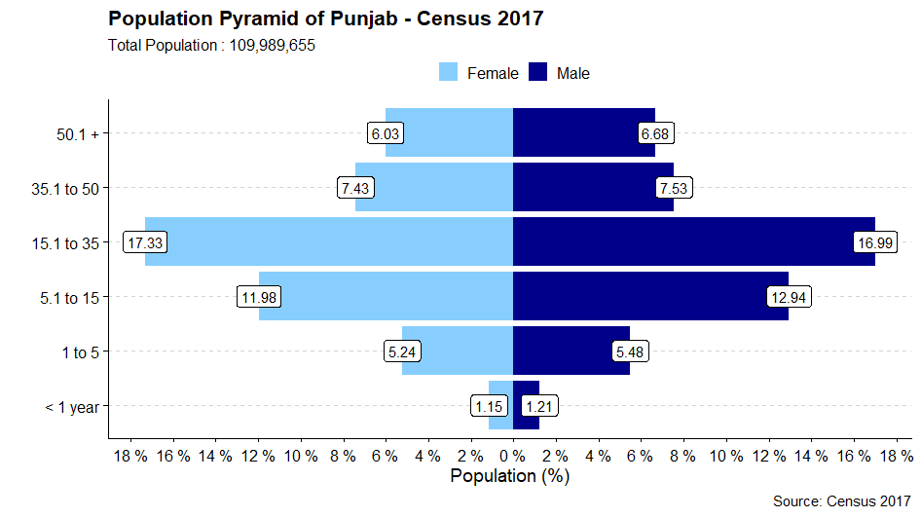
Age_Bracket | M | F | Total
< 1 year | 1330065 | 1263781 | 2593846
1 to 5 | 6026588 | 5762862 | 11789450
5.1 to 15 | 14235228 | 13178162 | 27413390
15.1 to 35 | 18692340 | 19061842 | 37754182
35.1 to 50 | 8283194 | 8175752 | 16458946
50.1 + | 7342359 | 6637482 | 13979841

Demographic Sindh
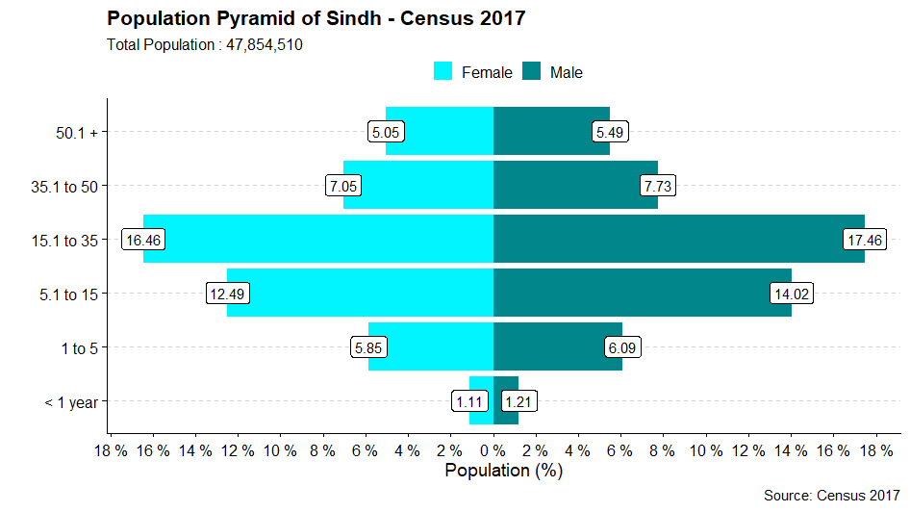
Age_Bracket | M | F | Total
< 1 year | 576803 | 533038 | 1109841
1 to 5 | 2912688 | 2798146 | 5710834
5.1 to 15 | 6707250 | 5978694 | 12685944
15.1 to 35 | 8357581 | 7875397 | 16232978
35.1 to 50 | 3696865 | 3374655 | 7071520
50.1 + | 2624999 | 2418394 | 5043393

Demographic Balochistan
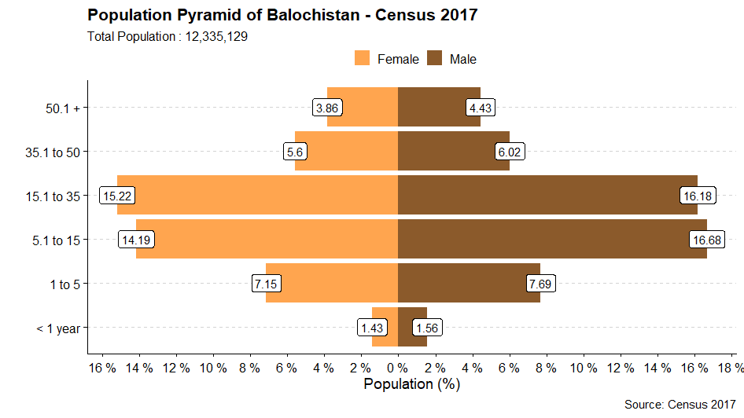
Age_Bracket | M | F | Total
< 1 year | 192047 | 175883 | 367930
1 to 5 | 948911 | 881879 | 1830790
5.1 to 15 | 2057868 | 1749743 | 3807611
15.1 to 35 | 1995402 | 1876833 | 3872235
35.1 to 50 | 743052 | 690502 | 1433554
50.1 + | 546456 | 476553 | 1023009

Demographic KPK
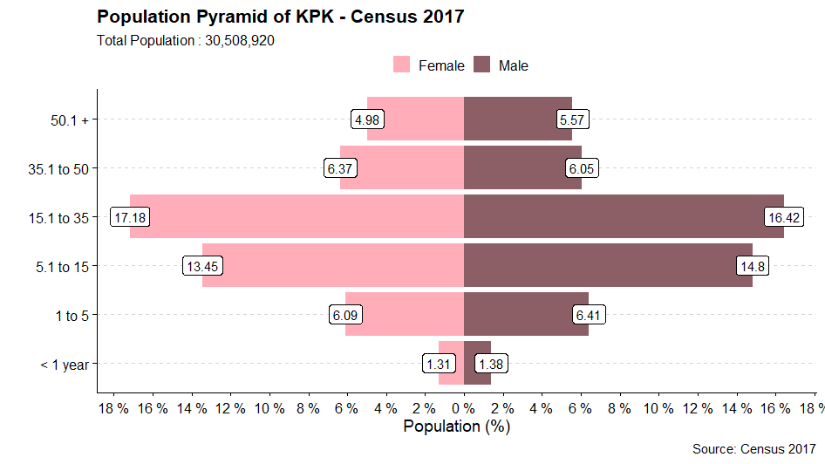
Age_Bracket | M | F | Total
< 1 year | 421182 | 399212 | 820394
1 to 5 | 1954328 | 1856579 | 3810907
5.1 to 15 | 4515137 | 4102368 | 8617505
15.1 to 35 | 5009473 | 5241220 | 10250693
35.1 to 50 | 1845330 | 1944872 | 3790202
50.1 + | 1699031 | 1520188 | 3219219

